Sheet1
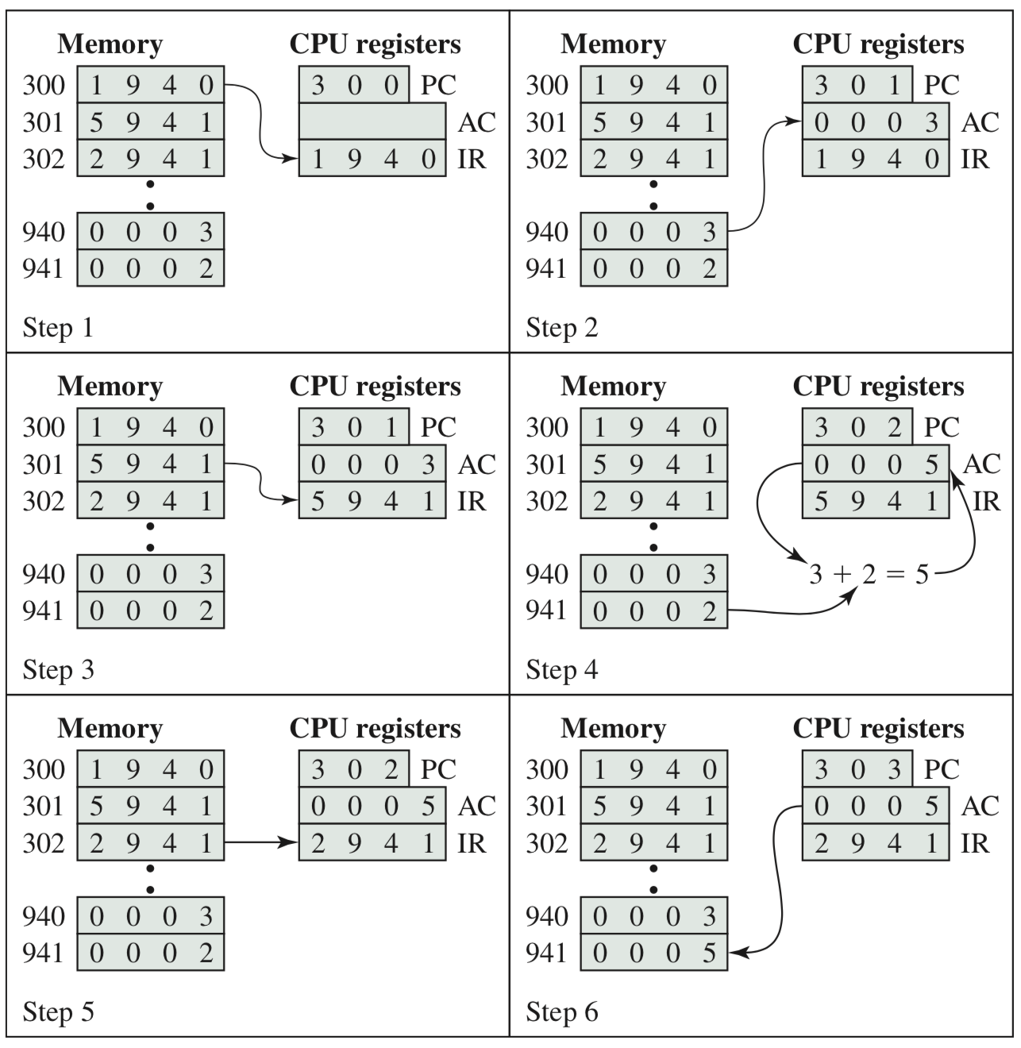
 |  |  | Data Flow of example in slide 66

 | Clk | PC | MAR | MBR | IR | AX | [941] | Micro-Op (RTL) | Instruction
 | 0 | 300 |  |  |  |  |  |  | mov AX, [940]
 | 1 |  | 300 |  |  |  |  | MAR <-- PC | data movement from memory to processor
 | 2 |  |  | 1940 |  |  |  | MBR <--[MAR]
 |  | 301 |  |  |  |  |  | PC <-- PC +1
 | 3 |  |  |  | 1940 |  |  | IR <-- MBR
Indirect | 4 |  | 940 |  |  |  |  | MAR <-- [IR]
Fetch | 5 |  |  | 3 |  |  |  | MBR<-- [MAR]
 | 6 |  |  |  | 3 |  |  | IR<---MBR
 | 7 |  |  |  |  | 3 |  |  | complete exec PC=300
 | 8 |  | 301 |  |  |  |  | MAR <-- PC | add AX, [941]
 | 9 | 302 |  | 5941 |  |  |  | MBR <--[MAR] | data movement from memory to processor, and ADD
 |  |  |  |  |  |  |  | PC <-- PC +1
 | 10 |  |  |  | 5941 |  |  | IR <-- MBR
Indirect | 11 |  | 941 |  |  |  |  | MAR <-- [IR]
Fetch | 12 |  |  | 2 |  |  |  | MBR<-- [MAR]
 | 13 |  |  |  | 2 |  |  | IR<---MBR
 | 14 |  |  |  |  | 5 |  | AX<-- 3 + 2 | complete exec PC=301
 | 15 |  | 302 |  |  |  |  | MAR <-- PC | mov value, AX | value = [941]
 | 16 | 303 |  | 2941 |  |  |  | MBR <--[MAR] | data movement from processor to memory
 |  |  |  |  |  |  |  | PC <-- PC +1
 | 17 |  |  |  | 2941 |  |  | IR <-- MBR
 | 18 |  | 941 |  |  |  |  | MAR <-- [IR]
 | 18 |  |  | 5 |  |  |  | MBR <-- AX
 | 19 |  |  |  |  |  | 5 | value <-- AX | complete exec PC=302

